Astract factory
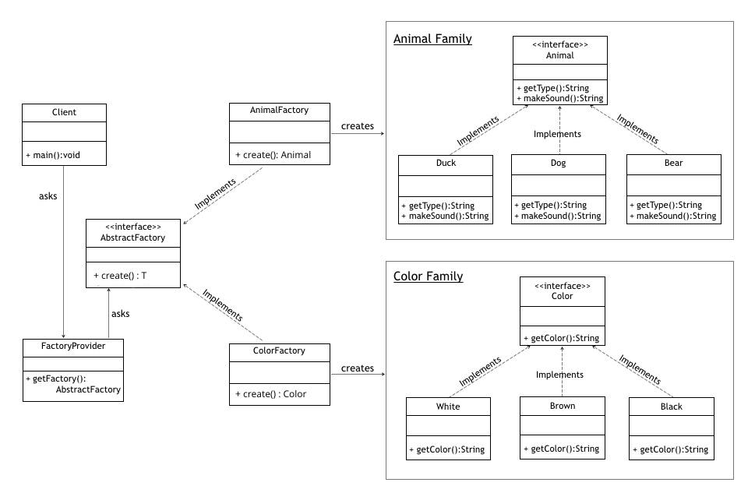
https://www.baeldung.com/java-abstract-factory-pattern

